Sheet1
M/S Fakhri Brothers |  |  |  |  |  | 27-Jan-24
 |  | BIS FITTING for 22nd Floor EY DMC KAR'
PO # EY172
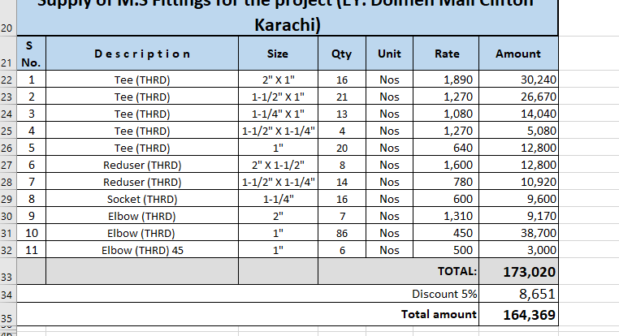
Att: Mr. Shakeel

PURCHASE ORDER

Supply of M.S Fittings for the project (EY. Dolmen Mall Clifton Karachi)
S No. | D e s c r i p t i o n | Size | Qty | Unit | Rate | Amount
1 | Tee (THRD) | 1-1/2" X 1" | 10 | Nos | 1,270 | 12,700
2 | Tee (THRD) | 1-1/4" X 1" | 10 | Nos | 1,080 | 10,800
3 | Tee (THRD) | 1-1/2" X 1-1/4" | 5 | Nos | 1,270 | 6,350
4 | Reduser (THRD) | 1-1/2" X 1-1/4" | 10 | Nos | 780 | 7,800
5 | Reduser (THRD) | 1-1/4" x 1" | 5 | Nos | 510 | 2,550
6 | Reduser (THRD) | 1-1/2" x 1" | 10 | Nos | 780 | 7,800
7 | Reduser (THRD) | 1" X 1/2" | 200 | Nos | 420 | 84,000
8 | Socket (THRD) | 2" | 10 | Nos | 950 | 9,500
9 | Elbow (THRD) | 1-1/2" | 20 | Nos | 930 | 18,600
10 | Elbow (THRD) | 1-1/4" | 20 | Nos | 650 | 13,000
11 | Elbow (THRD) | 2" | 12 | Nos | 1,310 | 15,720
 |  |  | TOTAL: |  |  | 188,820
Discount 5% |  |  |  |  |  | 9,441
Total amount |  |  |  |  |  | 179,379

for PIONEER ENGINEERING SERVICES

